Test Case Sheet Abhinav Sukumar
Test Case # | Test Case Description | Defect Type | Steps to Reproduce | Sample Input entered | Expected Behavior | Actual Behavior | Screenshot (if applicable) | Note | Browser
1 | Date Format not consistent in input fields | UI | 1. Open the link http://ajcrites.github.io/mobqa 2. Check the default text present in the two input fields |  | Both text fields should display the same format mm/dd/yyyy or dd/mm/yyyy | One text box displays dd/mm/yyyy and the other displays mm/dd/yyyy | 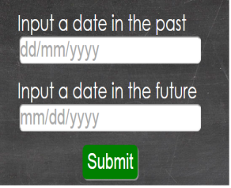 |  | Chrome, Firefox, Internet Explorer, Mobile
2 | Input field accepts invalid date and month values (dates above 31 and months above 12) | Functionality | 1. Open the link http://ajcrites.github.io/mobqa 2. Enter invalid date in first text box 3. Enter a proper date in the second text box 4. Tap Submit Button | 1. 32/01/2013 (invalid dd value) or 31/13/2013 (invalid mm value) in first text box 2. 12/13/2019 in second text box | The application should display rejected error message | Application displays accepted message | 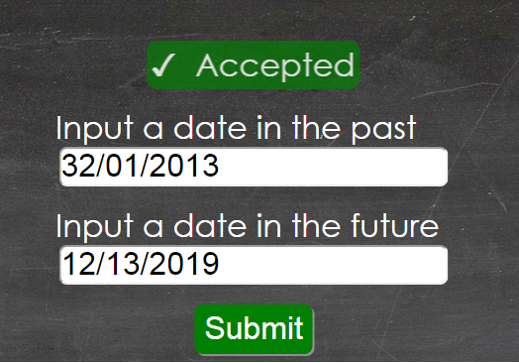 |  | Chrome, Firefox, Internet Explorer, Mobile
3 | Input fields do not validate for date according to corresponding month entered | Functionality | 1. Open the link http://ajcrites.github.io/mobqa 2. Enter invalid date in the first text box 3. Enter a valid date in the second text box 4. Tap Submit Button | 1. 31/02/2013(invalid dd value for the given month) in the first text box 2. 06/19/2020 in second text box | The application should display rejected error message as February does not have 31 days | Application displays accepted message | 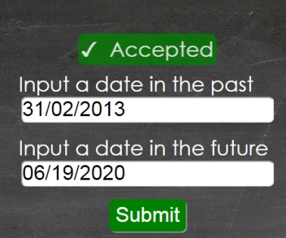 | The vice versa case is also true where given the entry in the first text box is valid and the entry in the second text box is 02/31/2015(invalid date for month) | Chrome, Firefox, Internet Explorer
4 | Input fields not validating values entered using invalid date separator | Functionality | 1. Open the link http://ajcrites.github.io/mobqa 2. Enter invalid format in first text box 3.Enter valid/invalid date in second text box 4. Tap Submit Button | 1. 02-01-1990 in first text box (invalid format with use of "-" as separator) 2. 03-02-2015 | The application should display rejected error message since actual format specified has date separator as / | Application displays accepted message | 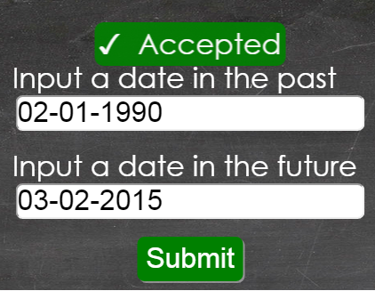 | The vice versa case is also true where given the entry in the first text box is valid/invalid and the entry in the second text box is 02-31-2015(invalid format with use of "-" as separator) | Chrome
5 | Input fields accept yyyy/mm/dd format entry | Functionality | 1. Open the link http://ajcrites.github.io/mobqa 2. Enter Invalid input in first text box 3. Enter invalid input in second text box 4. Tap Submit Button | 1. 1990/02/03 in first text box (invlaid as dd/mm/yyyy is the required format) 2. 2015/02/03 in second text box (invalid as mm/dd/yyyy is the required format) | The application should display rejected error message since actual format specified is dd/mm/yyyy for first text box and mm/dd/yyyy for second text box | Application displays accepted message | 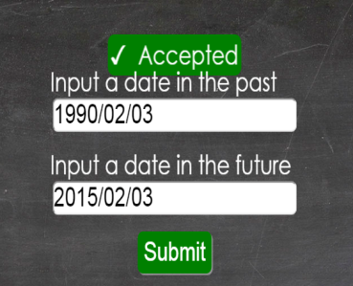 |  | Chrome, Firefox, Internet Explorer
6 | Input fields accept random values (alphanumeric and special characters) in place of date time and year | Functionality | 1. Open the link http://ajcrites.github.io/mobqa 2. Enter invalid date in first text box 3. Enter invalid date in second text box 4. Tap Submit Button | 1. y*/xx/1990 in first text box (invalid as alphabets and special characters are entered) 2. yy/zz/20ut in second text box (invalid as alphabets and special characters are entered) | The application should display rejected error message since dates are always numeric according to the format specified dd/mm/yyyy or mm/dd/yyyy | Application displays accepted message | 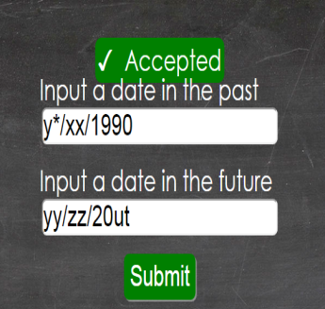 |  | Chrome
7 | First Input field fails to check if input entered is a future date from the current system date | Functionality | 1. Open the link http://ajcrites.github.io/mobqa 2. Enter a date after the current system date in first text box 3. Enter a correct future date in second text box 4. Tap Submit Button | 1. 14/11/2014 in first text box (invalid) 2. Enter 12/23/2014 in second text box | The application should display rejected error message as Nov 14th is a future date as of today Nov 13th | Application displays accepted message | 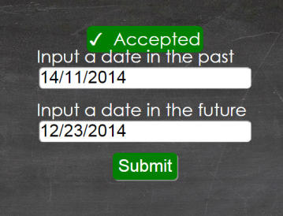 |  | Chrome
8 | Application fails to validate Leap Year date values | Functionality | 1. Open the link http://ajcrites.github.io/mobqa 2. Type in 29th February with in a leap year in both text boxes 3. Tap Submit Button | 1. 29/02/2001 in first text box 2. 02/29/2100 in second textbox | The application should display rejected error message | Application displays accepted message | 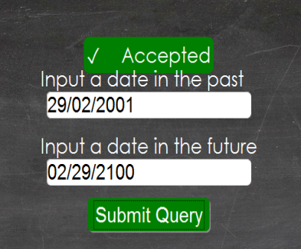 | It should reject because neither are leap years. A year is a leap year only when it is a multiple of 4. (Special case.) If the year can be evenly divided by 100 then it is not a leap year unless it is also divisible by 400. Ex 1900, 2100, 2200 are not leap years and 2400 is a leap year. | Chrome
9 | "Accepted" message turns to "Rejected" while fading away from the screen | Functionality | 1. Open the link http://ajcrites.github.io/mobqa in Firefox or Chrome or Internet Explorer 2. Enter valid date in first check box 3. Enter valid date in second check box 4. Tap Submit Button | 1. 02/05/1990 in first text box 2. 05/07/2020 in second text box | Accepted should be displayed and should fade away slowly. | Accepted is displayed and while fading Rejected is displayed before disappearing | 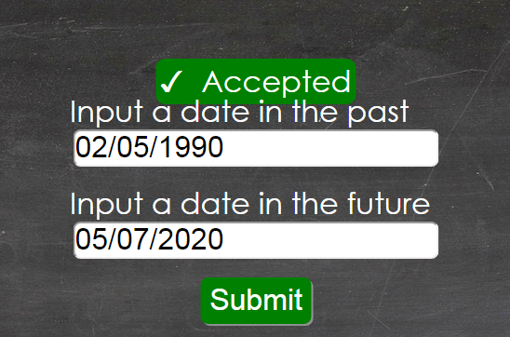 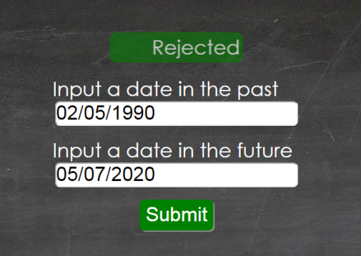 | Same case is true when "Accepted"is displayed when wrong inputs are entered | Chrome, Firefox, Internet Explorer
10 | Unable to scroll down in Android Browser when page is in landscape mode and the keypad is in use | UI | 1. Open the link http://ajcrites.github.io/mobqa in any android phone. 2. Change orientation of phone to Landscape 3. Tap on the second text box to type |  | User should be able to scroll up to view the entire page | Unable to scroll down completely thus view of the first text box is partially hidden | 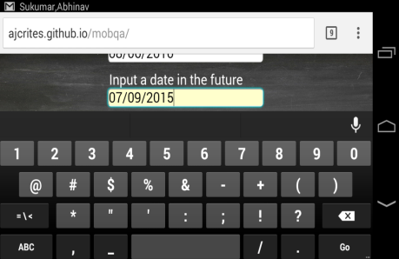 | Unable to scroll to view first text box and rest of web page entirely in landscape mode | Browsers in Android Phones

